ART
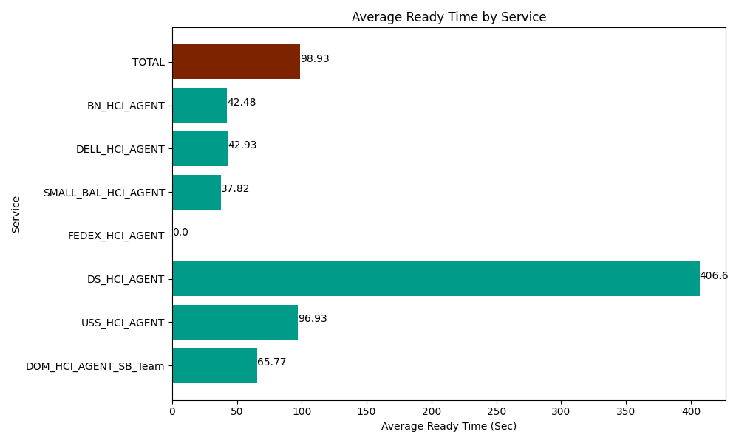
Date | Service | Successful Op Transfer | In Call (Sec) | Ready (Sec) | Wrapup (Sec) | Not Ready (Sec) | Average Ready Time (Sec)
06-21-2024 | DOM_HCI_AGENT_SB_Team | 58 | 4865.9999084 | 3814.8001099 | 7654.8001099 | 2428.2000732 | 65.77
06-21-2024 | USS_HCI_AGENT | 153 | 22099.799194 | 14830.19989 | 19903.800659 | 13351.200256 | 96.93
06-21-2024 | DS_HCI_AGENT | 3 | 13.199999928 | 1219.7999954 | 1.7999999598 | 360 | 406.6
06-21-2024 | FEDEX_HCI_AGENT | 0 | 0 | 438.00001144 | 0 | 1.7999999598 | 0
06-21-2024 | SMALL_BAL_HCI_AGENT | 153 | 12490.19989 | 5785.8000183 | 21649.799194 | 12631.799927 | 37.82
06-21-2024 | DELL_HCI_AGENT | 176 | 18402.000732 | 7555.1998901 | 58472.999268 | 23522.999268 | 42.93
06-21-2024 | BN_HCI_AGENT | 970 | 50207.999268 | 41205 | 80140.803223 | 47252.999268 | 42.48
 | TOTAL | 1513 | 108079.19899 | 74848.799915 | 187824.00245 | 99548.998791 | 98.93

